Blad1
 | Brand | Description | Ean | QTY | Retail | Price
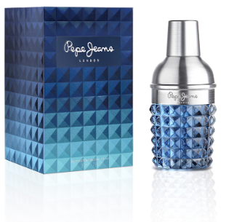 | Pepe Jeans | Pepe Jeans For Him Eau De Toilette 30ml. | 8436581940282 | 649 | € 27.90 | € 9.49
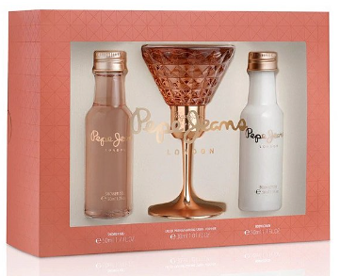 | Pepe Jeans | Pepe Jeans For Her Eau De Parfum 30ml Gift Set. | 8436581942101 | 339 | € 34.90 | € 12.95
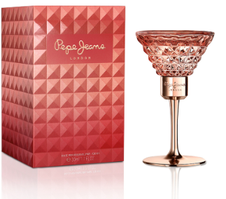 | Pepe Jeans | Pepe Jeans For Her Eau De Parfum 30ml. | 8436581940329 | 304 | € 27.90 | € 9.49
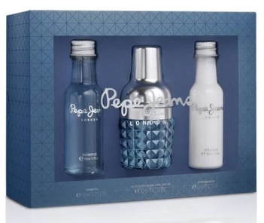 | Pepe Jeans | Pepe Jeans For Him Eau De Toilette 30ml Gift Set. | 8436581942095 | 238 | € 34.90 | € 12.95
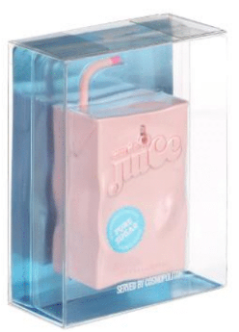 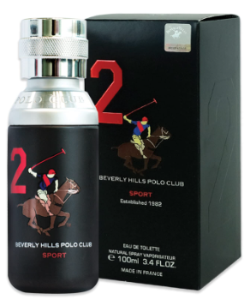 | Beverly Hills Polo Club | Beverly Hills Polo Club NO 2 EDP 100ml | 6291107162744 | 239 | € 22.90 | € 7.99
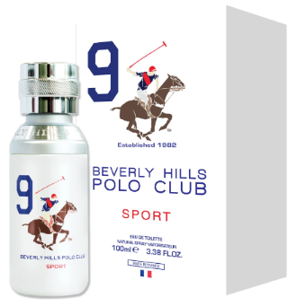 | Beverly Hills Polo Club | Beverly Hills Polo Club NO 9 EDT 100ml | 8718719850053 | 102 | € 22.90 | € 7.99
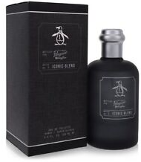 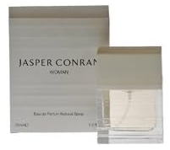 | Jasper Conran | Jasper Conran Signature Woman EDP 30ml | 5054076513242 | 18 | € 44.90 | € 13.99
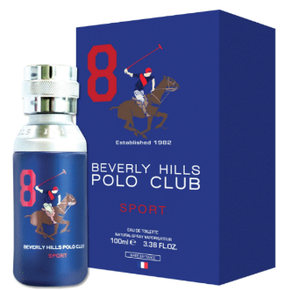 | Beverly Hills Polo Club | Beverly Hills Polo Club Sport Men EDT 100ml | 8718719850060 | 87 | € 22.90 | € 7.99
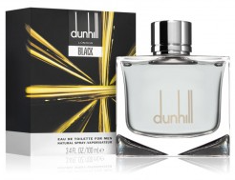 | Dunhill | Dunhill Black EDT 100ml. | 85715802026 | 21 | € 64.90 | € 19.99
 |  |  |  | 1,997

